MyHealthSummary
 | © Copyright 2023 - www.cureforcovid.world | © Copyright 2022 - www.cureforcovid.world
My IDENTITY
 | First Name |  | John
 | Second Name |  | Smith
 | Date of Birth |  | 1978-07-24
 | Age (years) |  | 44
 | Contact Phone |  | 0044 7744 123456
 | Contact Email |  | jon.smith@aol.com
 | Location City |  | London
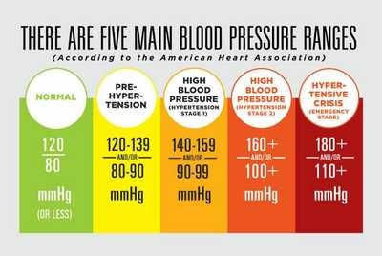
 | Location Country |  | England
 | Date of Completion |  | 14th Ocotber 2022

My COVID Calculator Score
 | A - COVID Environment & Choice - score sub-total | 0
 | B - HEALTH Condition - score sub-total | 0
 | My CureforCOVID total score (A&B) | 0

My HEALTH Profile |  | Record your Personal Details below | Example Entries
 | My Blood Pressure |  | 140/90
 | My COVID Vaccine regime |  | AZ 210321, AZ 210528, Pfizer 211210, Bivalent 221002
 | My Body Mass Index (B.M.I.) |  | mark box
 | My Exercise habits |  | mark box
 | My Processed/Fast food habits |  | mark box
 | My Pharmaceutical Pill regime |  | I take Rosuvastatin for my cholestrol daily
 | My Supplement/vitamin regime |  | I take Vitamin C 1000mg daily
 | My D-Dimer Blood Test result |  | 0.4
 | My Live Blood Analysis - Color & Clotting |  | Purple & sticky
 | My Live Blood Analysis - rouleau(x) yes or no? |  | Yes
 | My Family History (heart disease) |  | My Grandfather died of a heart attack
 | My Family History (cancer) |  | My Mother had breast cancer but was successfully treated with surgery

 | © Copyright 2022 - www.cureforcovid.world | © Copyright 2022 - www.cureforcovid.world

